DSHB 2
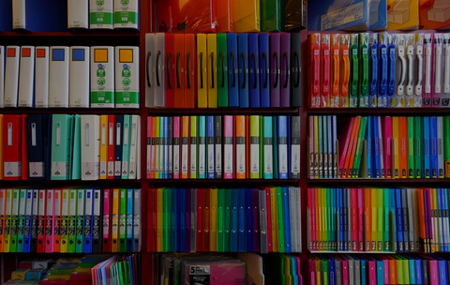
S t a t i o n a r y S a l e s R e p o r t

Regional Sale
 | Central | East | West
Binder | 5762.63 | 2535.66 | 1279.36
Desk | 875 |  | 825
Pen | 539.73 | 1354.25 | 151.24
Pen Set | 2421.39 | 1748.48
Pencil | 1540.32 | 363.7 | 231.12
TOTAL SALES19627.88
Profit Through Scattered Units
 | Binder | Desk | Pen | Pen Set | Pencil
2 |  | 250
3 |  | 825
4 | 19.96
5 |  | 625
7 | 139.93 |  |  |  | 9.03
11 | 54.89
14 |  |  |  |  | 18.06
15 |  |  | 299.85
16 |  |  |  | 255.84
27 |  |  | 539.73
28 | 391.44
29 | 57.71
32 |  |  |  |  | 63.68
35 |  |  |  |  | 174.65
36 |  |  |  |  | 179.64
42 |  |  |  | 1005.9
46 | 413.54
50 | 999.5 |  |  | 249.5
53 |  |  |  |  | 68.37
55 |  |  |  | 686.95
56 |  |  |  |  | 167.44
57 | 1139.43
60 | 838.8
62 |  |  |  | 309.38
64 |  |  | 575.36
66 |  |  |  |  | 131.34
67 |  |  |  |  | 86.43
74 |  |  |  | 1183.26
75 |  |  |  |  | 149.25
76 |  |  | 151.24
80 | 719.2
81 | 1619.19
87 | 1305
90 |  |  |  |  | 898.2
94 | 1879.06
95 |  |  |  |  | 189.05
96 |  |  | 479.04 | 479.04

Supply
 | Binder | Desk | Pen | Pen Set | Pencil
Total | 9577.65 | 1700 | 2045.22 | 4169.87 | 2135.14

Unit Sold
 | Total
Binder | 722
Desk | 10
Pen | 278
Pen Set | 395
Pencil | 716

